Metrics and Plots
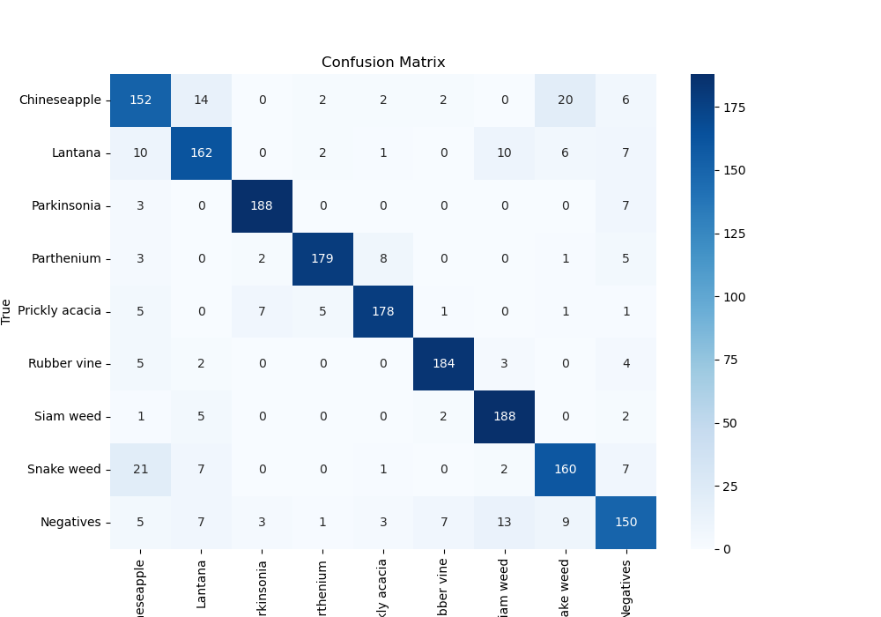
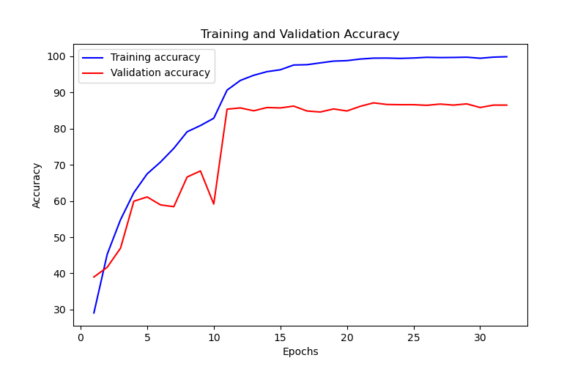
Epoch | Train Accuracy | Train Loss | Validation Accuracy | Validation Loss
1 | 29.08 | 2.1 | 39.001122334 | 1.643
2 | 45.28 | 1.441 | 41.694725028 | 1.753
3 | 54.83 | 1.227 | 46.96969697 | 2.017
4 | 62.29 | 1.041 | 59.932659933 | 1.073
5 | 67.49 | 0.899 | 61.111111111 | 1.234
6 | 70.74 | 0.822 | 58.922558923 | 1.449
7 | 74.53 | 0.72 | 58.417508418 | 1.201
8 | 79.11 | 0.596 | 66.610549944 | 1.109
9 | 80.83 | 0.568 | 68.294051627 | 0.975
10 | 82.84 | 0.514 | 59.147025814 | 1.739
11 | 90.61 | 0.302 | 85.353535354 | 0.412
12 | 93.29 | 0.216 | 85.69023569 | 0.416
13 | 94.71 | 0.164 | 84.904601571 | 0.426
14 | 95.71 | 0.14 | 85.802469136 | 0.41
15 | 96.23 | 0.121 | 85.69023569 | 0.448
16 | 97.54 | 0.089 | 86.195286195 | 0.446
17 | 97.63 | 0.075 | 84.848484848 | 0.484
18 | 98.13 | 0.061 | 84.567901235 | 0.567
19 | 98.62 | 0.047 | 85.409652076 | 0.596
20 | 98.75 | 0.043 | 84.848484848 | 0.578
21 | 99.19 | 0.031 | 86.139169473 | 0.544
22 | 99.44 | 0.022 | 87.09315376 | 0.532
23 | 99.46 | 0.02 | 86.644219978 | 0.529
24 | 99.37 | 0.021 | 86.588103255 | 0.532
25 | 99.48 | 0.019 | 86.588103255 | 0.538
26 | 99.67 | 0.018 | 86.419753086 | 0.558
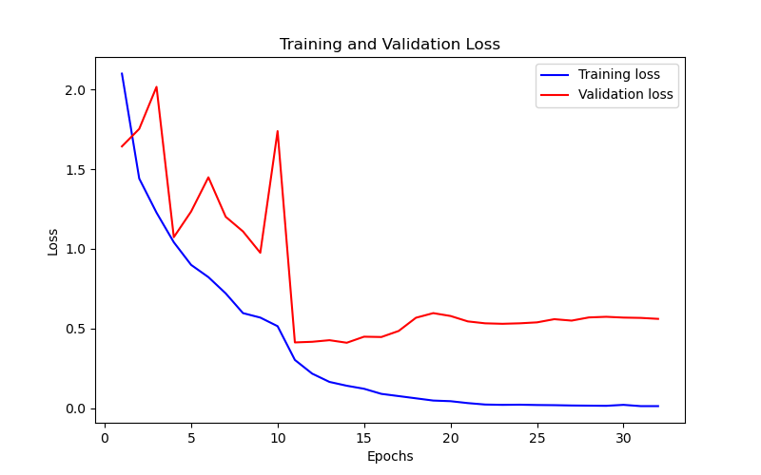
27 | 99.6 | 0.016 | 86.756453423 | 0.549
28 | 99.63 | 0.015 | 86.475869809 | 0.569
29 | 99.7 | 0.014 | 86.812570146 | 0.573
30 | 99.41 | 0.02 | 85.802469136 | 0.568
31 | 99.72 | 0.012 | 86.475869809 | 0.566
32 | 99.83 | 0.012 | 86.475869809 | 0.56

